Sheet1
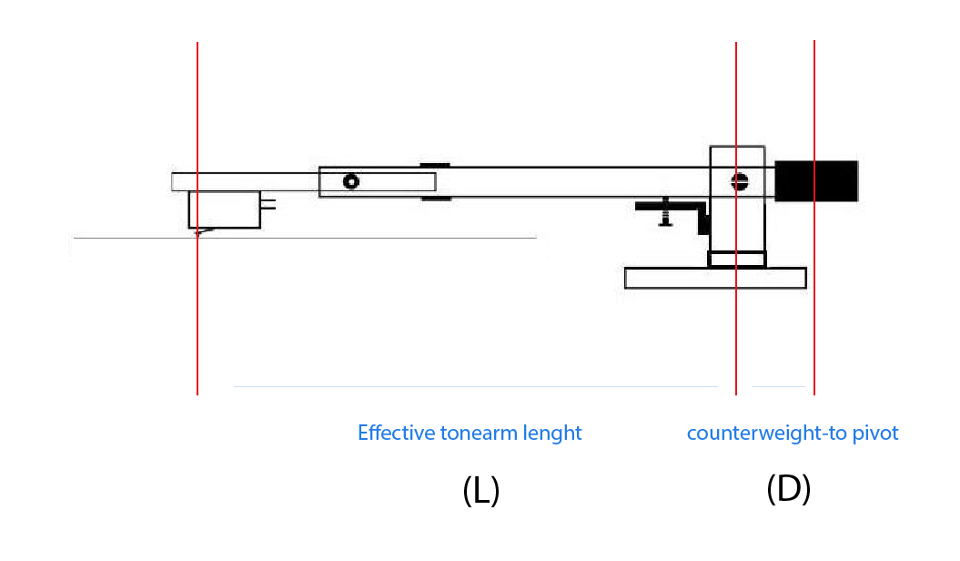
 | Calculate the effective tonearm mass |  |  |  | rev. 18-11-2016

Step 1 | Enter mass of cartridge & fixings in grams |  | CF | 8.0 | g

Step 2 | If tonearm has detachable headshell, detach & weigh (without cartridge) |  | H |  | g

Step 3 | Measure distance L from stylus to pivot in cm, or lookup effective length specification |  | L | 23.8 | cm

Step 4 | Remove counter weight and weigh it |  | CW | 80 | g

Step 5 | Remove cartridge and headshell (if detachable). Weigh arm at stylus end (with counter weight removed) |  | W | 11.0 | g

Step 6 | Enter desired or specified VTF |  | V | 2.0 | g

 |  | Counterweight to pivot | D | 5.0575 | cm

 |  |  |  | Tonearm Effective Mass
 |  |  |  | 10.9 | g

